Sheet1
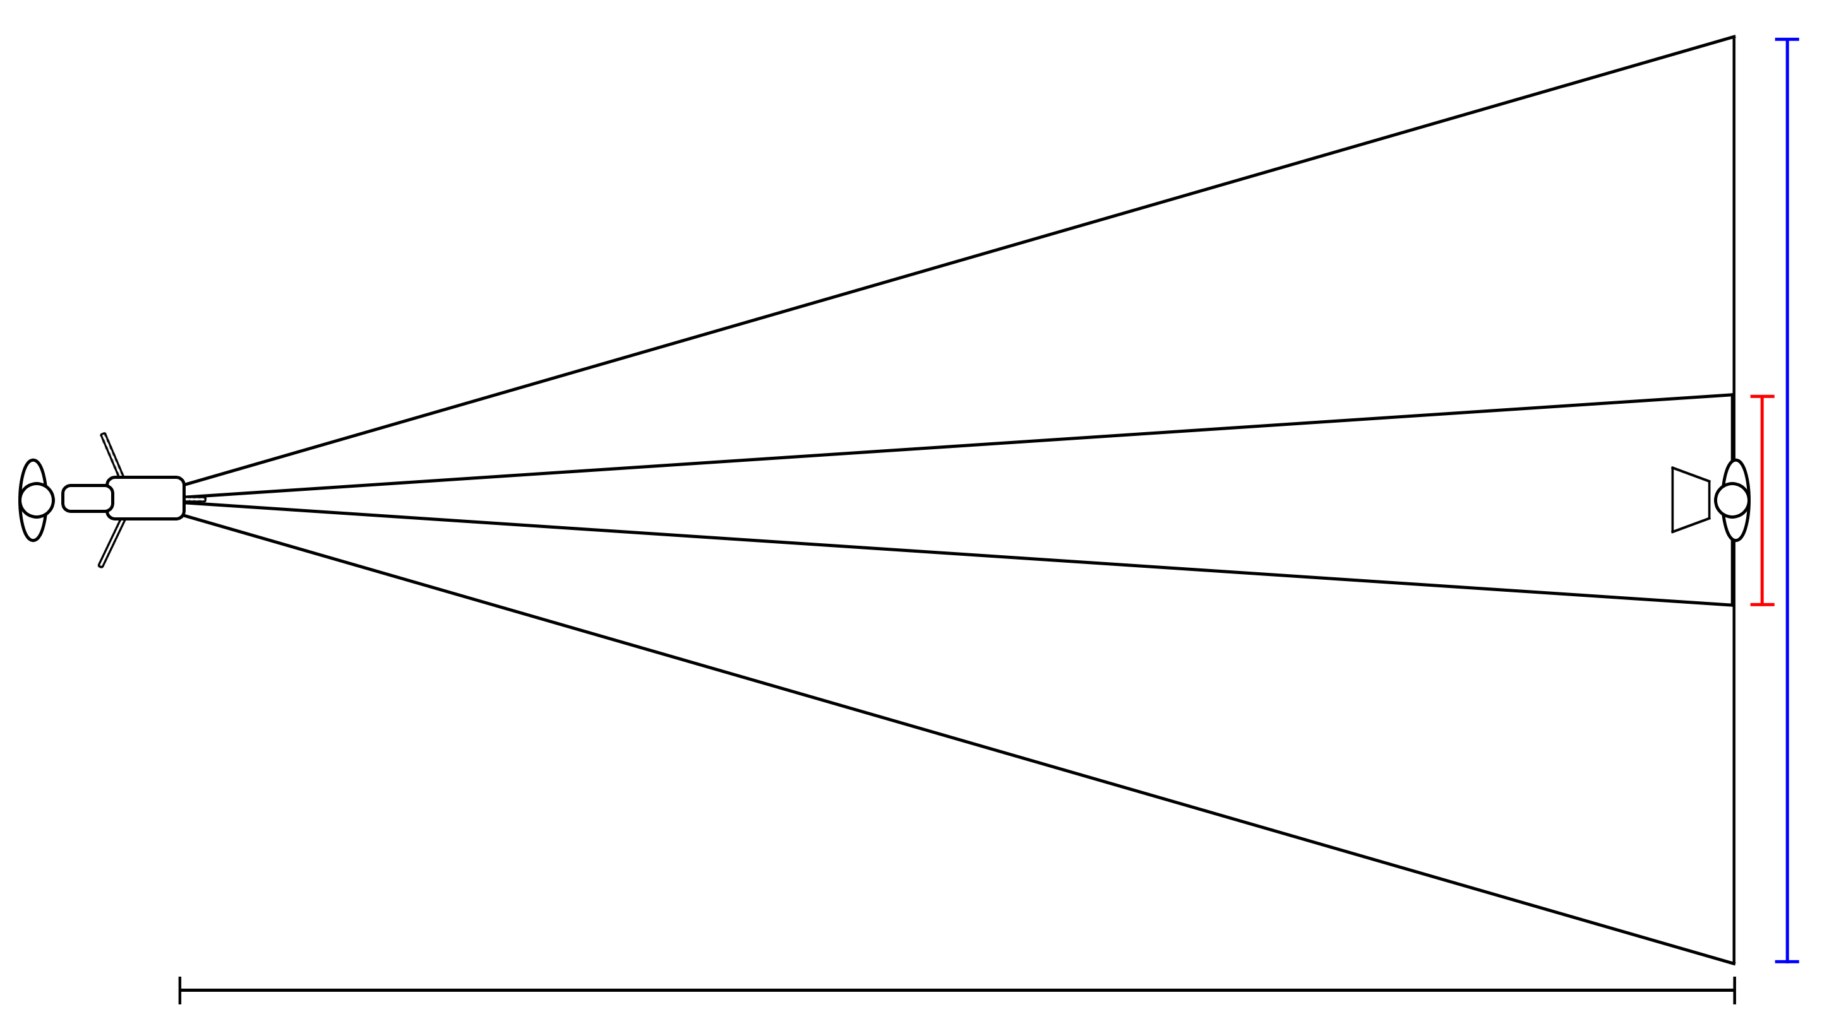
Camera Field of View Calculator v1.0
http://www.ranimmo.com/resources

 |  |  |  |  |  |  |  | Tightest FOV

Sensor Size | 2/3" |  |  |  |  |  |  | Normal | 5' 4"

Zoom Ratio | 55 | x | 9 |  |  |  |  | With Extender | NA

Extender (optional) |  |  |  | x |  |  |  | Widest FOV

 |  |  |  |  |  |  |  | Normal | 293' 4"

 |  |  |  |  |  |  |  | With Extender | NA

 |  |  |  |  | Distance to Subject | 300 | ft

